20.21 Budget LA Table
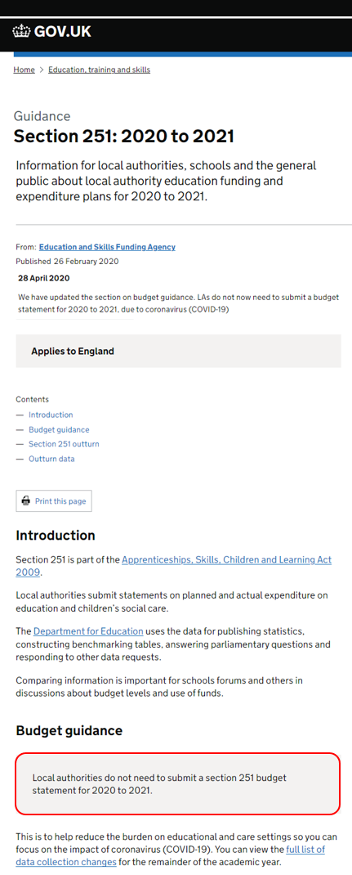
Department for Education Section 251 Financial Data Collection
S251 Budget 2020-21 - LA Table Report
Department for Education
Local Authority: 304 Brent

Description | Early Years | Primary | Secondary | SEN/ Special Schools | AP/ PRUs | Post School | Gross | Income | Net
1.0.1 Individual Schools Budget (i.e. school budget shares, before Academy recoupment), including 6th form grant for maintained schools, but excluding all high needs place funding
1.0.2 High needs place funding within Individual Schools Budget (i.e. within school budget shares, before Academy recoupment), including all pre- and post-16 place funding for maintained schools and academies
1.1.1 Contingencies
1.1.2 Behaviour support services
1.1.3 Support to UPEG and bilingual learners
1.1.4 Free school meals eligibility
1.1.5 Insurance
1.1.6 Museum and Library services
1.1.7 Licences/subscriptions
1.1.8 Staff costs – supply cover excluding cover for facility time
1.1.9 Staff costs – supply cover for facility time
1.2.1 Top-up funding – maintained schools
1.2.2 Top-up funding – academies, free schools and colleges
1.2.3 Top-up and other funding – non-maintained and independent providers
1.2.4 Additional high needs targeted funding for mainstream schools and academies
1.2.5 SEN support services
1.2.6 Hospital education services
1.2.7 Other alternative provision services
1.2.8 Support for inclusion
1.2.9 Special schools and PRUs in financial difficulty
1.2.10 PFI/ BSF costs at special schools, AP/ PRUs and Post 16 institutions only
1.2.11 Direct payments (SEN and disability)
1.2.12 Carbon reduction commitment allowances (PRUs)
1.2.13 Therapies and other health related services
1.3.1 Central expenditure on early years entitlement
1.4.1 Contribution to combined budgets
1.4.2 School admissions
1.4.3 Servicing of schools forums
1.4.4 Termination of employment costs
1.4.5 Falling Rolls Fund
1.4.6 Capital expenditure from revenue (CERA)
1.4.7 Prudential borrowing costs
1.4.8 Fees to independent schools without SEN
1.4.9 Equal pay - back pay
1.4.10 Pupil growth
1.4.11 SEN transport
1.4.12 Exceptions agreed by Secretary of State
1.4.13 Infant class sizes
1.4.14 Other Items
1.5.1 Education welfare service
1.5.2 Asset management
1.5.3 Statutory/ Regulatory duties
1.6.1 Central support services
1.6.2 Education welfare service
1.6.3 Asset Management
1.6.4 Statutory/ Regulatory duties
1.6.5 Premature retirement cost/ Redundancy costs (new provisions)
1.6.6 Monitoring national curriculum assessment
1.6.7 School Improvement
1.7.1 Other Specific Grants
1.8.1 TOTAL SCHOOLS BUDGET (before Academy recoupment)
1.9.1 Estimated Dedicated Schools Grant for 2022-23 (after deductions for post school high needs place funding, but including school and academy post-16 high needs place funding)
1.9.2 Dedicated Schools Grant brought forward from 2021-22 (please show a deficit as a negative)
1.9.3 Dedicated Schools Grant carry forward to 2023-24 (please show a deficit as a positive)
1.9.4 Grant for maintained school 6th forms
1.9.5 Local Authority additional contribution
1.9.6 Total funding supporting the Schools Budget (the sum of lines 1.9.1 to 1.9.5 adjusted for any carry-forward to 2023-24 recorded in line 1.9.3)
1.10.1 Academy: recoupment from the Dedicated Schools Grant, excluding the recoupment of high needs place funding shown in line 1.0.2 above (please show as a negative)
1.10.2 Academy: recoupment from the Dedicated Schools Grant of high needs place funding shown under line 1.0.2 above (please show as a negative)
2.0.1 Central support services
2.0.2 Education welfare service
2.0.3 School improvement
2.0.4 Asset management - education
2.0.5 Statutory/ Regulatory duties - education
2.0.6 Premature retirement cost/ Redundancy costs (new provisions)
2.0.7 Monitoring national curriculum assessment
2.1.1 Educational psychology service
2.1.2 SEN administration, assessment and coordination and monitoring
2.1.3 Independent Advice and Support Services (Parent partnership), guidance and information
2.1.4 Home to school transport (pre 16): SEN transport expenditure
2.1.5 Home to school transport (pre 16): mainstream home to school transport expenditure
2.1.6 Home to post-16 provision: SEN/ LLDD transport expenditure (aged 16-18)
2.1.7 Home to post-16 provision: SEN/ LLDD transport expenditure (aged 19-25)
2.1.8 Home to post-16 provision transport: mainstream home to post-16 transport expenditure
2.1.9 Supply of school places
2.2.1 Other spend not funded from the Schools Budget
2.3.1 Young people's learning and development
2.3.2 Adult and Community learning
2.3.3 Pension costs
2.3.4 Joint use arrangements
2.3.5 Insurance
2.4.1 Other Specific Grant
2.5.1 Total Other education and community budget
3.0.1 Funding for individual Sure Start Children's Centres
3.0.2 Funding for local authority provided or commissioned area wide services delivered through Sure Start Children's Centres
3.0.3 Funding on local authority management costs relating to Sure Start Children's Centres
3.0.4 Other spend on children under 5
3.0.5 Total Sure Start children's centres and other spend on children under 5
3.1.1 Residential care
3.1.2a Fostering services (excluding fees and allowances for LA foster carers)
3.1.2b Fostering services (fees and allowances for LA foster carers)
3.1.3 Adoption services
3.1.4 Special guardianship support
3.1.5 Other children looked after services
3.1.6 Short breaks (respite) for looked after disabled children
3.1.7 Children placed with family and friends
3.1.8 Education of looked after children
3.1.9 Leaving care support services
3.1.10 Asylum seeker services children
3.1.11 Total Children Looked After
3.2.1 Other children and families services
3.3.1 Social work (including LA functions in relation to child protection)
3.3.2 Commissioning and Children's Services Strategy
3.3.3 Local Safeguarding Children Board
3.3.4 Total Safeguarding Children and Young People's Services
3.4.1 Direct payments
3.4.2 Short breaks (respite) for disabled children
3.4.3 Other support for disabled children
3.4.4 Targeted family support
3.4.5 Universal family support
3.4.6 Total Family Support Services
3.5.1 Universal services for young people
3.5.2 Targeted services for young people
3.5.3 Total Services for young people
3.6.1 Youth justice
4.0.1 Capital Expenditure from Revenue (CERA) (Non-schools budget functions and Children's and young people services)
5.0.1 Total Schools Budget and Other education and community budget (excluding CERA) (lines 1.8.1 and 2.5.1)
5.0.2 Total Children and Young People's Services and Youth Justice Budget (excluding CERA)(lines 3.0.5 + 3.1.11 + 3.2.1 + 3.3.4 + 3.4.6 + 3.5.3 + 3.6.1)
6 Total Schools Budget, Other education and community budget, Children and Young People's Services and Youth Justice Budget (excluding CERA) (lines 5.0.1 + 5.0.2)
7 Capital Expenditure (excluding CERA)
8a.1 Substance misuse services (Drugs, Alcohol and Volatile substances) (included in 3.5.1 and 3.5.2 above)
8a.2 Teenage pregnancy services (included in 3.5.1 and 3.5.2 above)

1.8.1a DSG Block Planned Expenditure |  |  |  |  |  |  | Allocated DSG funding | Planned Spend | Net
Schools (before Academy recoupment)
Central School Services
High Needs (excluding post school)
Early Years
Total

